Sheet1
Test Scenario | Test Case Id | Test Case Name | Preconditions | Test Case Steps | Test Data | Attachment | Exepcted Result | Priority | Run Result
Check "Login" page functionality | 1 | Login user with correct username and password | User is registered in http://qwallity4.herokuapp.com | 1.Open http://qwallity4.herokuapp.com/login page 2.Enter valid username 3.Enter valid password 4.Click on "Login" button | Username- shush Password - Bb123456 |  | Login succesfully | High | Pass
 | 2 | Login user with correct username and incorrect password | User is registered in http://qwallity4.herokuapp.com | 1.Open http://qwallity4.herokuapp.com/login page 2.Enter valid username 3.Enter invalid password 4.Click on "Login" button | Username- shush Password- asjd15 |  | "Invalid login" message should appearing | High | Pass
 | 3 | Login user with incorrect username and correct password | User is registered in http://qwallity4.herokuapp.com | 1.Open http://qwallity4.herokuapp.com/login page 2.Enter invalid username 3.Enter valid password 4.Click on "Login" button | Username- ani Password - Bb123456 |  | "Username is not found" message should be appearing | High | Pass
 | 4 | Login user with incorrect username and incorrect password | User is registered in http://qwallity4.herokuapp.com | 1.Open http://qwallity4.herokuapp.com/login page 2.Enter invalid username 3.Enter invalid password 4.Click on "Login" button | Username- abcd Password- na123 |  | "Username is not found" message should be appearing | High | Pass
 | 5 | Check "Login" button functionality without entering username and password | User is registered in http://qwallity4.herokuapp.com | 1.Open http://qwallity4.herokuapp.com/login page 2.Don't enter username 3.Don't enter password 4.Click on "Login" button | "Username" field is empty "Password" field is empty | 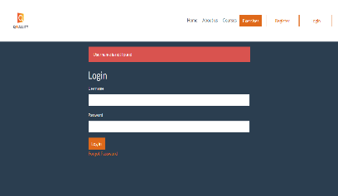 | "Please enter username and password" message should be appearing | High | Fail

Check ''Forgot Password'' Functionality | 1 | Check response on activating the "Forgot Password" link | User is registered in http://qwallity4.herokuapp.com | Click on "Forgot Password" link to get redirected to "Change Password" page. |  |  | The "Change Password" page opens successfully. | High | Pass
 | 2 | Verify if the code to change the password is sent to the user’s email. | User is registered in http://qwallity4.herokuapp.com | 1. Press "Forgot Password". 2. Enter e-mail on the redirected "Change Password" page. 3. Press "send". 4. Check the e-mail for the code. |  |  | The code to sent to the user's e-mail successfully. | High | Fail- Internal Server Error
 | 3 | Verify if the new pass submission allows to log in successfully. | User is registered in http://qwallity4.herokuapp.com | 1. Click on "Change Password" buttonn. 2. Enter code. 3. Enter new pass. 4. Submit new pass. 5. Go to "Login" page. 6. Enter the username and the new pass. |  |  | The login with the new pass is successful. | High | Fail- verification impossible due to failure to send the code to the e-mail.

